Setup
Campaign ID |  |  | `

Campaign Name

Logo

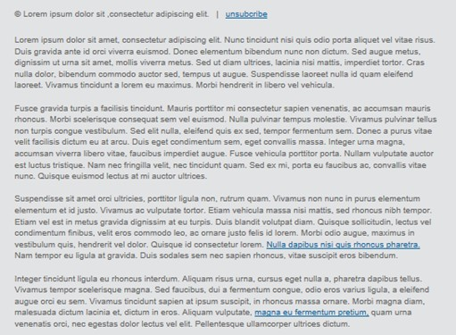
 |  | The subject should should be between 41 and 71 characters
Subject Line

 |  | The pre-header should be between 40 (Android) and 90 (iOS) characters
Pre-header text

Email Assets
 | Hero
 | Compulsory
 | Content

Footer

Asset Register
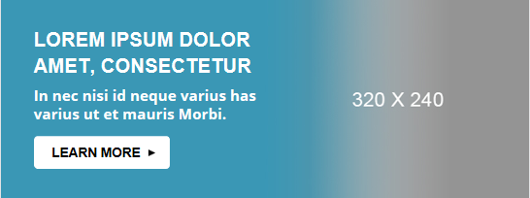

Hero Two Column with Gradient with CTA

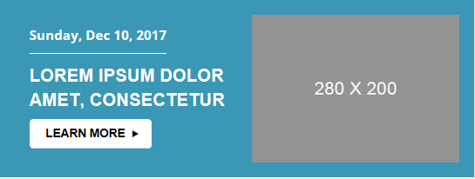
Hero Two Column Callout with Headline


Hero Single Image

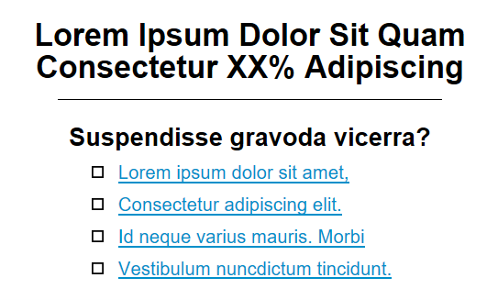

Polling Section

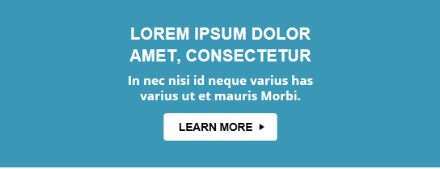

Hero One Column Headline Centered with CTA

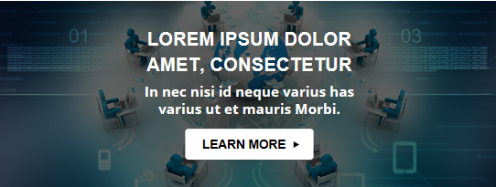
Hero One Column Background with Headline Centered with CTA

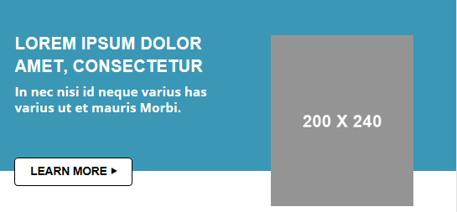

Hero Two Column Whitepaper Image Offset with CTA Offset

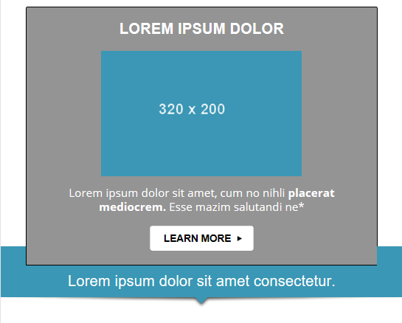

H4 Hero One Column Headline Centered with CTA

Countdown

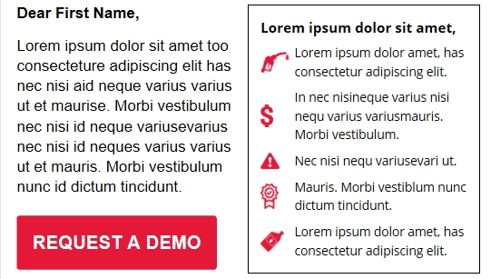

Body Two Column Large and CTA Huge

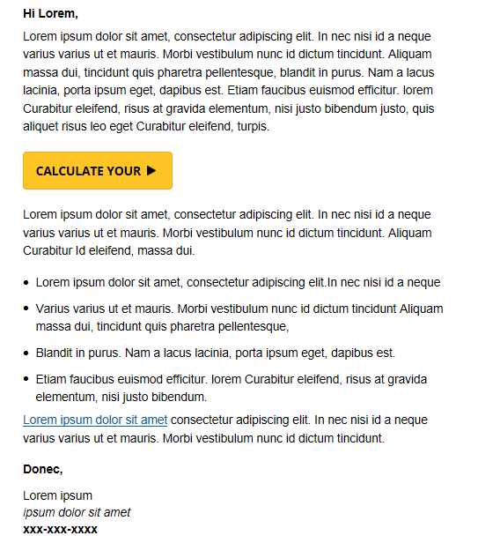

Body One Column Body Copy with CTA Embedded

Four product modules with headline

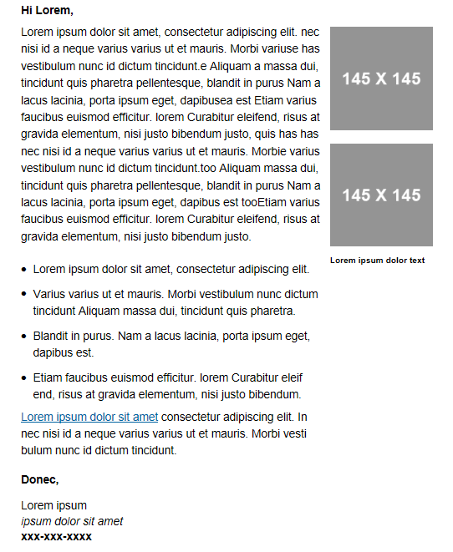

Body Two Column Stationary Style Thumbnails Right

Promotional module with summary

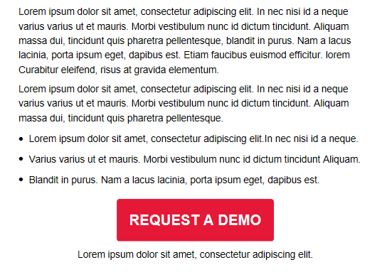

Body One Column with CTA Huge Centered

Two video module stamps

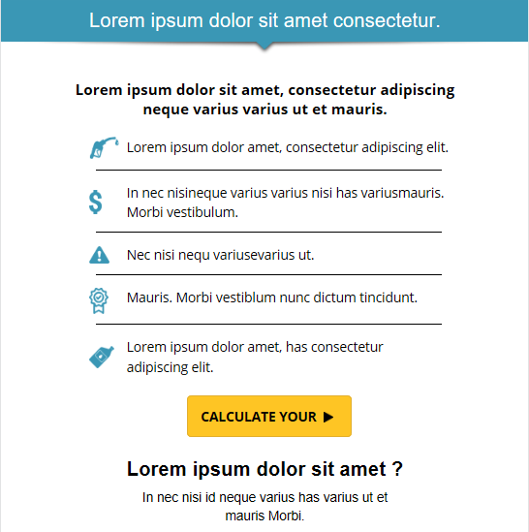

Body One Column Callout with Section Divider and Secondary CTA

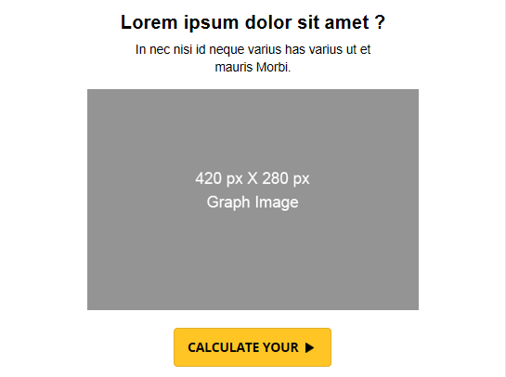

Body One Column Bar Chart Secondary CTA Centered

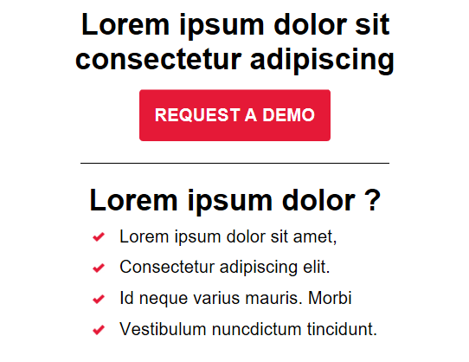

Body One Column Callout with Headline/Subhead Huge and Secondary CTA Centered

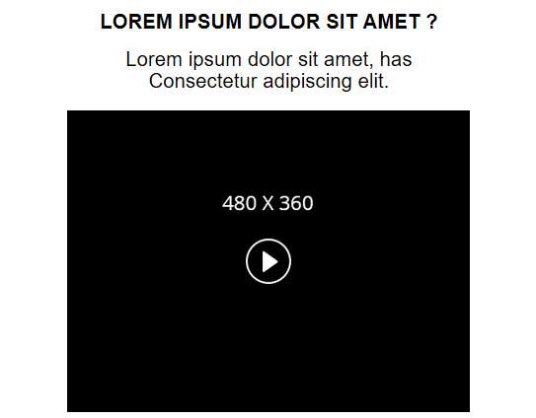

Body One Column Video Player with Headline and Subhead

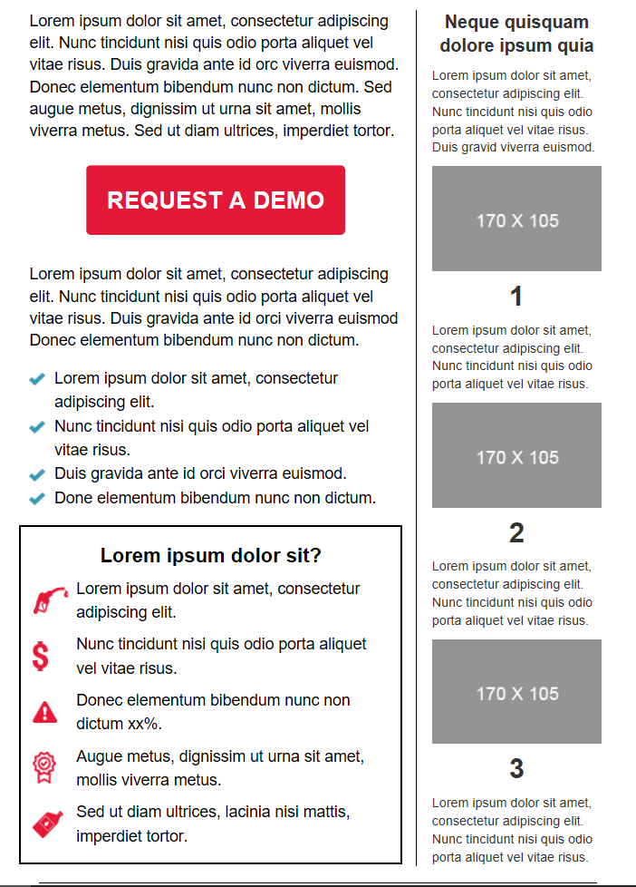

Body Two Column Vertical Easy Steps Right with CTA Huge and Closing Callout

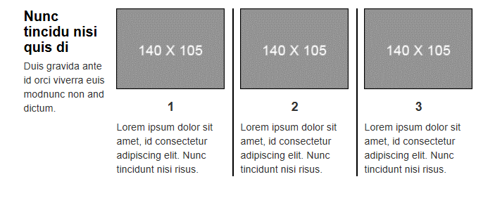
Body Four Column Easy Steps Horizontal with Column Dividers

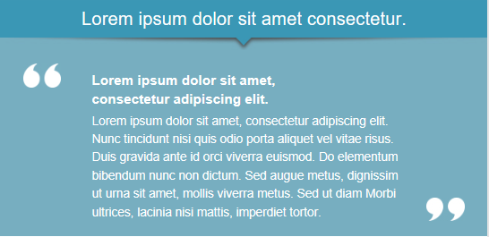

Body One Column Testimonial with Section Divider

Body One Column Subhead Medium

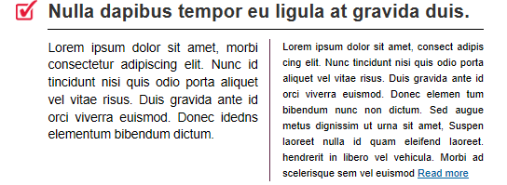

Body 2 Column Article Style 1 with Teaser and Description

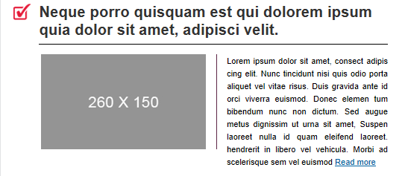

Body 2 Column Article Style 2 with Thumbnail left and Description Right

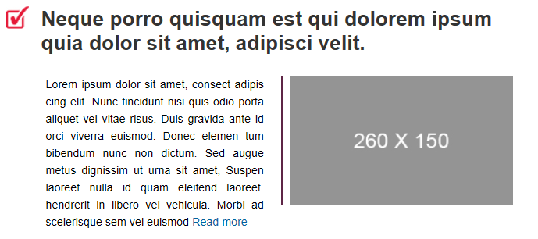

Body 2 Column Article Style 2 with Thumbnail Right and Description Left

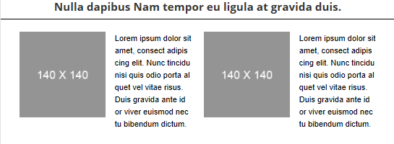
Body 4 Column Horizontal Biography with Thumbnails

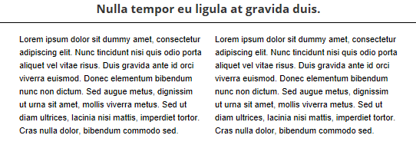
Body 2 Column Testimonial

Body Link Huge
Call to Action Huge


Body Video Preview Teaser

Divider One Column Headline Reversed

Body One Column Headline Huge

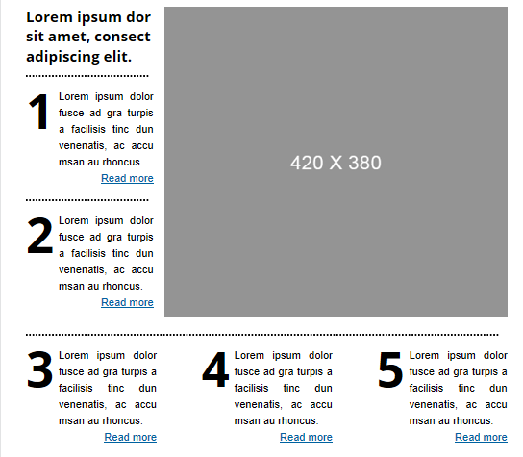

Body Three Column Article Style 5 Easy Steps Grid with Image

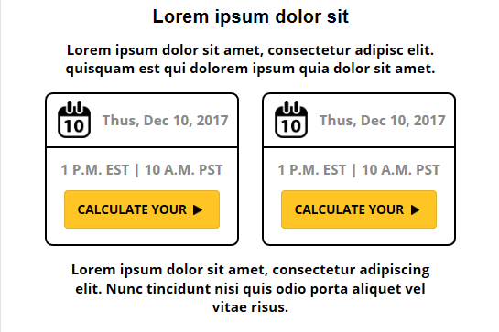

Body 2 Column Event Dates with Closing Subhead

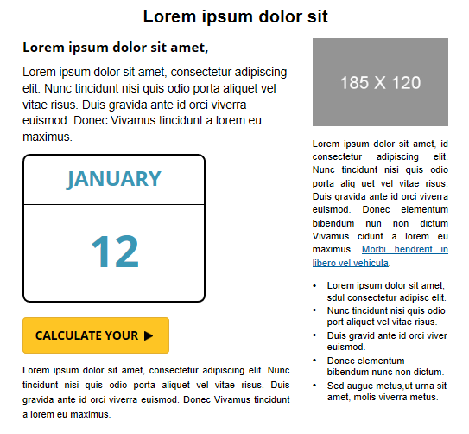

Body Two Column Event Date Calendar Right and Biography Left with Column Divider

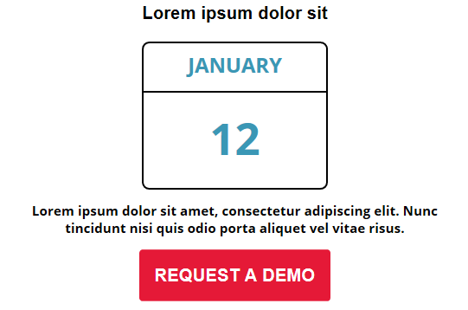

Body One Column Calendar Centered with CTA Huge

Footer Social Media Icons Huge
Navigation Horizontal All Caps
Footer Closing Callout with Subhead Reversed


Footer


Custom Footer

